3_24_b
Part b

1) Write the algebraic model |  | Minimize | 4x_1 + x_2
 | subject to:
 |  | 3x_1 + x_2 | >= | 10
 |  | x_1 + x_2 | >= | 5
 |  | x_1 | >= | 3
 |  | x_1, x_2 | >= | 0

2) Given the constraints as shown in the following chart, can you label the direction for each of the constraints and the feasible region?
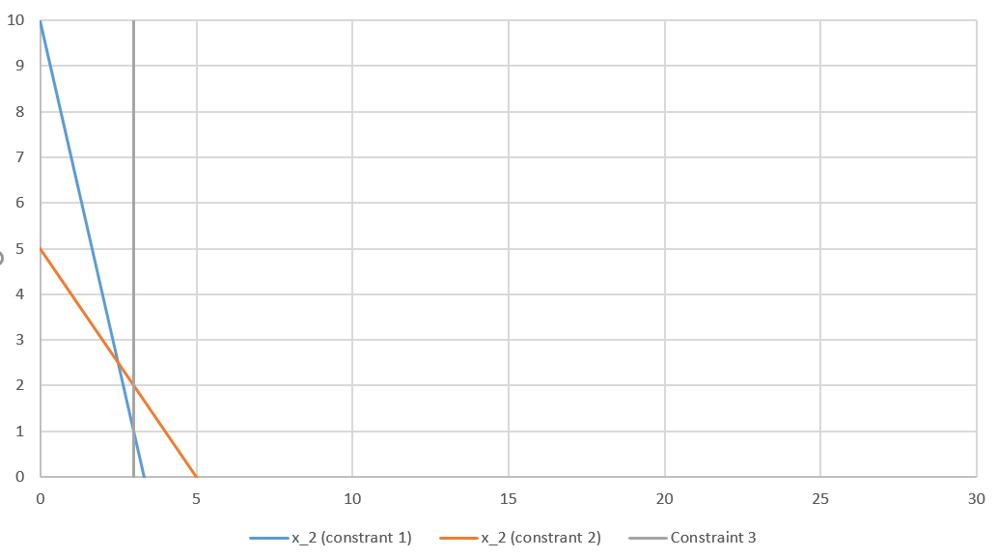

 |  |  |  |  | Blue arrow = Chemical A production constraint
 |  |  |  |  | Orange arrow = Chemical B production constraint
 |  |  |  |  | Gray Arrow = Chemical C production constraint

 |  |  |  |  | Feasible Region = Above Dark Green Lines

 |  |  |  |  | Optimal Solution = Dark Green circle

Feasible Region (above green lines)

